Ship_Stores
Version: 2.0.2, 42704
* SHIP STORES
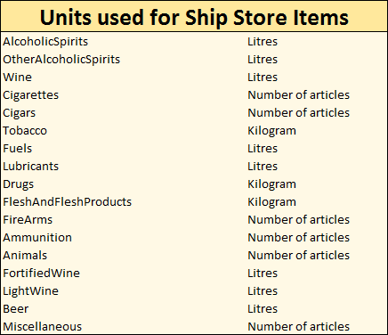
*Name of article | *Quantity

